Figure
Figure 1. Averaged Sanitation Indexes for Total and Four Subgroups of Countries (1990~2015)

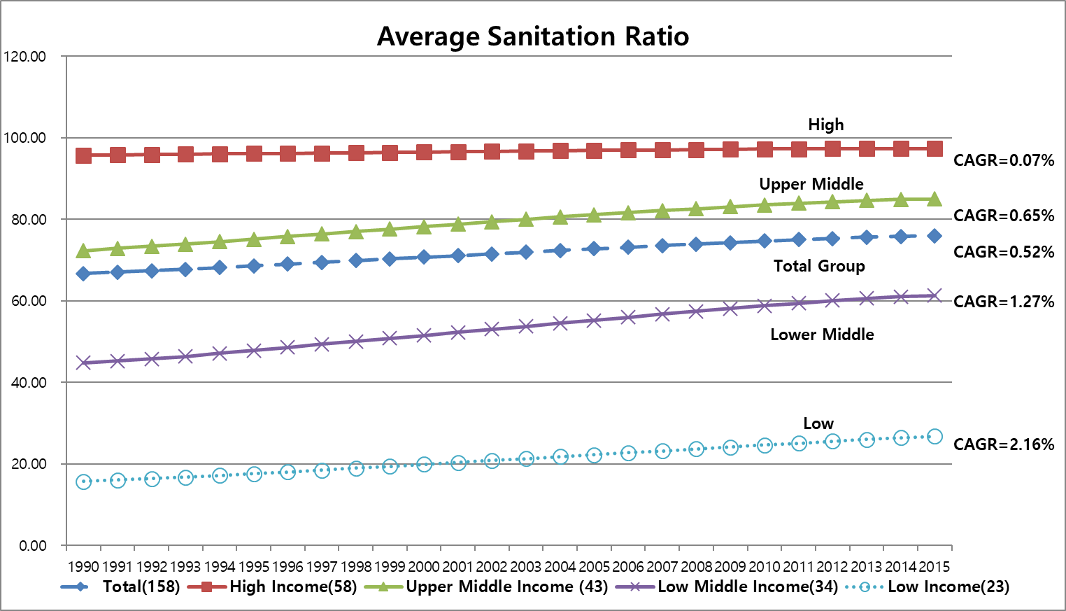

Figure 2. Normalized Sigma and Gamma Sanitation Indexes for Total Group of 158 Countries (1990-2015)
Total Group, 1990-2015
1990 | 1 | 1
1991 | 0.99006222043 | 1.0001453576
1992 | 0.98055388336 | 1.0008054958
1993 | 0.9692857563 | 1.0006062984
1994 | 0.95684838774 | 1.0001687662
1995 | 0.9444402507 | 0.99964398964
1996 | 0.93243047398 | 0.9994190925
1997 | 0.91991711532 | 0.99929475783
1998 | 0.90820574305 | 0.99747695341
1999 | 0.89661304688 | 0.9976629474
2000 | 0.88545353842 | 0.99751343102
2001 | 0.87469601143 | 0.99528958653
2002 | 0.86433681472 | 0.99347941731
2003 | 0.85430724563 | 0.99144226908
2004 | 0.84464123808 | 0.99082889829
2005 | 0.83537399637 | 0.98494490575
2006 | 0.82628885817 | 0.9782099349
2007 | 0.81748561534 | 0.97164339162
2008 | 0.80857780319 | 0.96677409334
2009 | 0.80014328173 | 0.96514648651
2010 | 0.79180217843 | 0.96373728715
2011 | 0.78380169077 | 0.95800573956
2012 | 0.775718402 | 0.95644123143
2013 | 0.76857149498 | 0.95561819903
2014 | 0.76275001215 | 0.9546023443
2015 | 0.75860081026 | 0.95444838526
Gamma
CAGR= -0.186%
Sigma
CAGR= -1.099%

Figure 3. Normalized Sigma Sanitation Indexes for Total Group and Four Income Subgroups (1990-2015)

Sigma
 | High | Upper Middle | Lower Middle | Low
1990 | 1 | 1 | 1 | 1
1991 | 0.98338117062 | 0.97320387305 | 0.99003263451 | 0.98145647546
1992 | 0.96719873085 | 0.95002124009 | 0.97939605311 | 0.96345503012
1993 | 0.95029210123 | 0.92762193461 | 0.96104657015 | 0.94702322872
1994 | 0.93592429694 | 0.90424692769 | 0.93778475158 | 0.93149389666
1995 | 0.91908180448 | 0.87921403931 | 0.91830863413 | 0.91554747045
1996 | 0.90344222144 | 0.85642721931 | 0.89913533996 | 0.90128842804
1997 | 0.88765941522 | 0.83431712922 | 0.88136007292 | 0.87869734938
1998 | 0.87278907671 | 0.81346410126 | 0.86489144354 | 0.8597012893
1999 | 0.858357904 | 0.79333783224 | 0.84885266145 | 0.8410137973
2000 | 0.84433084701 | 0.775678855 | 0.83410568112 | 0.82427514641
2001 | 0.83217262545 | 0.75873430825 | 0.8202757403 | 0.80971767734
2002 | 0.81942897118 | 0.7438162567 | 0.80670519978 | 0.79613387343
2003 | 0.80762355537 | 0.73016044116 | 0.79443878754 | 0.78275065433
2004 | 0.79600526468 | 0.71802212013 | 0.78303721732 | 0.77073505545
2005 | 0.78609186644 | 0.70602515441 | 0.77290977155 | 0.75990130262
2006 | 0.77606568664 | 0.69385880253 | 0.76305401308 | 0.75073914352
2007 | 0.76769831333 | 0.68222697498 | 0.75417076071 | 0.74103544189
2008 | 0.75901571798 | 0.66958328633 | 0.74456859842 | 0.7329276019
2009 | 0.75113538142 | 0.65841104322 | 0.73537889343 | 0.72540137064
2010 | 0.74430689662 | 0.6475852345 | 0.72641990214 | 0.7174969313
2011 | 0.73769082748 | 0.63640533295 | 0.71805473835 | 0.71165979533
2012 | 0.73177682147 | 0.62508566002 | 0.70943683296 | 0.70637402111
2013 | 0.72983565129 | 0.61373521405 | 0.70269120206 | 0.70206023133
2014 | 0.72800442174 | 0.60700703224 | 0.69787927009 | 0.69916359803
2015 | 0.7269844991 | 0.60074567305 | 0.69473564568 | 0.6990962026
CAGR = -1.27%
CAGR = -2.02%
CAGR = -1.42%
CAGR = -1.45%

 | -1.27% | -2.02% | -1.45% | -1.42%

Figure 4. Normalized Gamma Sanitation Indexes for Total Group and Four Income Subgroups (1990-2015)

Gamma
 | High | Upper Middle | Lower Middle | Low
1990 | 1 | 1 | 1 | 1
1991 | 1 | 0.99977348233 | 0.99969442322 | 1
1992 | 1.0003102674 | 1.0010939574 | 1.0023659731 | 1.0113206737
1993 | 1.0003102674 | 1.0008270529 | 0.99724980901 | 1.0047688606
1994 | 1.0023288112 | 0.9990482746 | 1.0003797241 | 0.9799793779
1995 | 1.0017457055 | 0.99259691093 | 0.9962544376 | 0.9671335281
1996 | 1.0010532675 | 0.9971272643 | 0.99373567609 | 0.95948616601
1997 | 1.0025386111 | 0.99014560345 | 0.99174942704 | 0.96240763018
1998 | 1.0025691453 | 0.98364507315 | 0.99037433155 | 0.94318181818
1999 | 1.0008247531 | 0.98017180224 | 0.98777692895 | 0.93995961505
2000 | 1.0047094978 | 0.97162558912 | 0.98579067991 | 0.92217305379
2001 | 0.9977335706 | 0.96001172975 | 0.97730867748 | 0.91525605774
2002 | 0.99384882591 | 0.95181319492 | 0.97631779985 | 0.90118577075
2003 | 0.98886977306 | 0.93850659886 | 0.96821102773 | 0.88636363636
2004 | 0.98483268544 | 0.92924746967 | 0.9666921314 | 0.8806710775
2005 | 0.9601140602 | 0.91082403265 | 0.95858535928 | 0.87055335968
2006 | 0.93448892887 | 0.90573001903 | 0.95828877005 | 0.87029558343
2007 | 0.93022299853 | 0.89942615524 | 0.95019098549 | 0.86062897405
2008 | 0.92835712597 | 0.88201414594 | 0.93956994563 | 0.85349716446
2009 | 0.92631198781 | 0.87385950988 | 0.93154181459 | 0.84387351779
2010 | 0.91575042026 | 0.86620005198 | 0.92902754685 | 0.83152173913
2011 | 0.89216254728 | 0.85453000218 | 0.92589763178 | 0.81792404193
2012 | 0.88362838832 | 0.85196982574 | 0.91993888464 | 0.80830039526
2013 | 0.88060681078 | 0.84373265998 | 0.91734148205 | 0.80804261901
2014 | 0.88053063931 | 0.83602052355 | 0.91711005258 | 0.80335968379
2015 | 0.88122898718 | 0.83678611815 | 0.91122994652 | 0.80063155181

Figure 5. Normalized Sigma Sanitation Indexes for Six Regional Subgroups (1990-2015)

Sigma
 | EAP | ECA+NA | LAC | MENA | SA | SSA
1990 | 1 | 1 | 1 | 1 | 1 | 1
1991 | 0.98346256773 | 0.98872353221 | 0.97646850365 | 0.97334345032 | 0.97779088594 | 0.9992300531
1992 | 0.96790600188 | 0.97911761997 | 0.95467009624 | 0.94963276712 | 0.95002371713 | 0.99760740046
1993 | 0.94482003621 | 0.97194518142 | 0.93223141383 | 0.92655099639 | 0.91476121752 | 0.99705137451
1994 | 0.92013536913 | 0.96283558098 | 0.91037313806 | 0.89920108603 | 0.87093968943 | 0.99679250348
1995 | 0.89735223294 | 0.94261147703 | 0.89031097714 | 0.88224543976 | 0.83811251494 | 0.9960513826
1996 | 0.87564760952 | 0.9239734245 | 0.87049021321 | 0.86828926731 | 0.80873975176 | 0.99551913999
1997 | 0.85433227932 | 0.90675673021 | 0.85103234976 | 0.8534693042 | 0.78013291377 | 0.99263833739
1998 | 0.83459065931 | 0.88858748855 | 0.83338713844 | 0.84255245113 | 0.75393095962 | 0.99066567958
1999 | 0.815307026 | 0.87262529125 | 0.81531426782 | 0.83306187878 | 0.72998506896 | 0.98900433161
2000 | 0.79765676786 | 0.85736737988 | 0.79910404929 | 0.82444376489 | 0.70642823009 | 0.98793834707
2001 | 0.78040397406 | 0.84410561227 | 0.78196101541 | 0.81817800791 | 0.68577135057 | 0.98711991249
2002 | 0.76481011935 | 0.83068095726 | 0.76603520873 | 0.81458760247 | 0.66670851011 | 0.98630032158
2003 | 0.74990339227 | 0.81771451229 | 0.75077693356 | 0.81355800719 | 0.64827661186 | 0.98560143648
2004 | 0.73652873387 | 0.80642226227 | 0.73563079838 | 0.81261626167 | 0.6302191059 | 0.98511632595
2005 | 0.72331487207 | 0.79606627081 | 0.72116739656 | 0.8137057153 | 0.61364174307 | 0.98445230441
2006 | 0.70973257891 | 0.79056520953 | 0.70738920824 | 0.8153500276 | 0.59888022174 | 0.98509733428
2007 | 0.69645967854 | 0.78364003397 | 0.69482302236 | 0.81839221499 | 0.583744545 | 0.98478123043
2008 | 0.68285323983 | 0.77673799144 | 0.68153552767 | 0.82245496239 | 0.56974403121 | 0.98513376452
2009 | 0.6695819089 | 0.77034767782 | 0.669762713 | 0.82824781568 | 0.55581478759 | 0.98579517854
2010 | 0.65706039447 | 0.76437849444 | 0.65846418224 | 0.83471422309 | 0.5430363864 | 0.98606965374
2011 | 0.64529829544 | 0.75977586556 | 0.64812388403 | 0.84232786842 | 0.5273197553 | 0.98745494636
2012 | 0.63304059215 | 0.75598691518 | 0.63764227178 | 0.8358859101 | 0.51102726817 | 0.98887668152
2013 | 0.62532623332 | 0.75247390906 | 0.62723589844 | 0.82961377166 | 0.4979316713 | 0.99044609256
2014 | 0.61788059477 | 0.74885408363 | 0.61970555484 | 0.82666916227 | 0.48238355972 | 0.98916596976
2015 | 0.61233288246 | 0.74956085066 | 0.61593892857 | 0.82572023541 | 0.47051814172 | 0.98924459544

CAGR = -0.04%

CAGR = -1.15%
CAGR = -0.76%

CAGR = -1.92%

CAGR = -1.94%
CAGR = -2.97%

Figure 6. Normalized Gamma Sanitation Indexes for Six Regional Subgroups (1990-2015)

Gamma
 | EAP | ECA+NA | LAC | MENA | SA | SSA
1990 | 1 | 1 | 1 | 1 | 1 | 1
1991 | 0.9992999944 | 0.99734649562 | 0.99981671554 | 0.99444157187 | 1 | 1.0056449792
1992 | 0.99966363942 | 0.99836961966 | 0.99981671554 | 0.99444157187 | 1 | 1.0042289599
1993 | 0.9978999832 | 0.99707014481 | 0.99981671554 | 0.99889004962 | 1 | 1.0056124267
1994 | 0.9968499748 | 0.99669452235 | 1.0018755466 | 0.99889004962 | 1 | 1.0022554453
1995 | 0.9936999496 | 0.99426639145 | 0.99945014663 | 0.99889004962 | 1 | 0.99882217201
1996 | 0.9898499188 | 0.99116035144 | 1.0012043691 | 0.99889004962 | 1 | 0.99895712537
1997 | 0.9870498964 | 0.99543976447 | 0.99890029326 | 0.99889004962 | 1 | 0.99961474825
1998 | 0.9845998768 | 0.99101010246 | 0.99973268181 | 0.99778009924 | 1 | 0.99138455382
1999 | 0.9845998768 | 0.99348652767 | 0.99619080302 | 0.99667014886 | 1 | 0.99057657687
2000 | 0.9828498628 | 0.99395784443 | 0.99399890266 | 0.99445024811 | 1 | 0.99143477627
2001 | 0.9821498572 | 0.99461339505 | 0.99244099244 | 0.99445024811 | 1 | 0.98392303615
2002 | 0.97192373395 | 0.99256267529 | 0.99486803519 | 0.98141978473 | 0.98214285714 | 0.97863945578
2003 | 0.95755129959 | 0.98605188598 | 0.98915605312 | 0.98779054583 | 0.98214285714 | 0.97401760704
2004 | 0.9572996584 | 0.98820545475 | 0.98830662993 | 0.9919978661 | 0.98214285714 | 0.97401842916
2005 | 0.93123505976 | 0.98299771765 | 0.98703665907 | 0.97558109167 | 0.98214285714 | 0.96673469388
2006 | 0.92359893758 | 0.97921555721 | 0.99120234604 | 0.91939956595 | 0.98214285714 | 0.96852924099
2007 | 0.875839599 | 0.95414186366 | 0.98808651026 | 0.91939956595 | 0.96428571429 | 0.96530267876
2008 | 0.87366855028 | 0.94607939586 | 0.98497067449 | 0.91632505426 | 0.96428571429 | 0.95747894838
2009 | 0.87366855028 | 0.9399576441 | 0.98295454545 | 0.90634711929 | 0.96428571429 | 0.94950780312
2010 | 0.87270676692 | 0.93860182588 | 0.96977940926 | 0.90710151917 | 0.96428571429 | 0.94656662665
2011 | 0.86894736842 | 0.9407518173 | 0.97203565865 | 0.91017603087 | 0.96428571429 | 0.94715978815
2012 | 0.86987957878 | 0.93656273253 | 0.96719208211 | 0.91017603087 | 0.94642857143 | 0.93900360144
2013 | 0.86631283797 | 0.93352645098 | 0.96187683284 | 0.91017603087 | 0.94642857143 | 0.93797418504
2014 | 0.8642481203 | 0.92886873247 | 0.95851894374 | 0.91017603087 | 0.94642857143 | 0.93648259304
2015 | 0.86236842105 | 0.93138987465 | 0.95057748596 | 0.91017603087 | 0.94642857143 | 0.93769288883

CAGR = -0.20%

CAGR = -0.22%
CAGR = -0.28%
CAGR = -0.26%

CAGR = -0.38%
CAGR = -0.59%

